Ex Sum
To: CFO
FROM: Young Seok Seo
Subject: Retirement Growth Analysis
Introduction:
In the project, we need to do 350,000 sheet as the first. In the 350,000 sheet, using the formula to express the value of the sheet. In the beginning year, start balance is 350,000 in all of the annual growth rates. In the first year, we use (1+annual rate) multiply last year's account balance. Because it has 5% distributions starting year 13, we need to use a balance amount minus 5 percent dist. The dist is (1+annual rate) multiply last year's account balance multiply 5 percent. Use this method to complete other annual growth rates, and then use the same method to complete all sheets. After completing each sheet, use these data to complete the chart. In the icon, we only keep the annual growth rate, from which we can see the change in amount balance. We also need to adjust the spacing of the chart. In "year", our special interval unit is 5. In "amount balance", our special interval unit is 5,000 thousand. We insert data at the end of each line. This data represents the amount balance after the end of 40 years. The same method is used to make the chart. When the distribution rate changes to 10%, we change the previous distribution rate to 10%, and the others remain unchanged. Then use this data as a chart in the previous way.
Financial Analysis:
Looking at the options for retirement growth it's obvious that the more money someone is able to put away right away the better off they will regarding retirement options. However, not everyone will be able to do that, so as we look over the options for $350,000, $450,000, $500,000 and $1,000,000 with different rates of distributions. Starting with the $350,000 starting amount, we see that when distributions aren't taken until year 13, the balance is between $560K and $1,360K depending on the rate that the portfolio averages over that time span. When the 5% distributions begin in year 13, the distributions continue to grow for all the rates except 4%, because the distribution is larger than the interest rate. For the 5% distributions, the distributions are as low as $21K for the 40th year with a 4% rate and can be as high as $407K for the 40th year with the 12% rate. When the distributions are increased to 10%, those same rates and years are the same respective low and high, and those distributions are $10K and $190K. Now, when we look at the same thing for the $450,000 starting balance, we see that for the first 12 years without distributions, the lowest balance is $720K with a 4% rate and the highest balance is $2,400K with a 12% rate. When the 5% distributions start, for the 4% rate, the largest distribution is in year 13, first year of distributions, at $37K and drops to $27K in year 40. Those numbers with the highest rate, 12%, are at a low in year 13 at $138K and at a high in year 40 at $1,380K. When the distribution is 10%, the distrbution amount for the 4% rate are $75K in year 13 and $12.5K in year 40, whereas with the 12% rate, the amounts are $277K and $701K. Next, as we look at the $500,000 category, we see that in year 12 with a 4% rate the balance is $800K and drops down to $530K in year 40, after 28 years of distributions. When we look at the 15% rate in the same years the balance in year 12 is $2,675K and in year 40 is $29,587K. When we look at the distributions with the new 5.25%, in year 13 for the 4% interest rate the amount is $44K and drops to $29K in year 40. Those same amounts in the 15% interest rate group are $161K and $1,639K, respectively. As we contrast the 5.25% distribution with the 10% distribution we see that the amounts in year 13 and year 40 with a 4% interest rate are $83K and 14K, and for the same years but the 15% interest rate are $307K and $778K. Finally, as we look at the $1,000,000 starting balance, we see that in year 12 of the 4% and 15% interest rate groups the balances are $1,600K and $5,350K. Then when we look at the 6.25% distributions, we see that it starts at $104K in year 13 of the 4% rate group and ends at $58K in year 40 of the same group. For the 15% rate group, the same distributions amounts are $348K and $3,147K. Lastly, when we look at the same amounts in the 10% distribution amounts we see that in year 13 and year 40 of the 4% rate group the amounts are $166K and $28K, then in the 15% rate group the amounts are $556K and $1,874K.
Recommendation:
Our recommendations for anyone looking to retire comfortably are rather simple, put as much money away for retirement as possible. Obviously, if you can put $1,000,000 away right now, you'll be able to either retire earlier or retire with a more luxurious lifestyle. Also, when you have a larger amount put away right now, the larger the distribution amount taken out is possible. For example, in year 40 of the $1,000,000 group at a conservative 4% the distribution is still $28K even when 10% is taken out annually for 28 years. When those numbers are compared to year 40 of the $350,000 group at 4% rate the distribution is a mere $10K with the 10% distribution. However, we acknowledge that putting away a massive sum of money isn't possible in so we recommend that if you can put away $350,000-$500,000, do so and create your portfolio in a way that you can get rates in the 6%-15% rate. Avoiding the ultra-conservative 4% rate is fairly important to maintain a good balance between distribution amount and balance amount, however as rate increases the apparent risk increases, so the 6-10% range is likely to be the best combination of rate and risk.

Memo
Copyright Michael Nugent ©
MEMO
To: Financial Analyst Employee
From: CFO
Subject: Retirement Growth Analysis
Finish the retirement analysis I started:
(Hint: review Time Value of Money chapter in any Finance Text)
Starting balance of 350,000
Account Balance Given Annual Growth Rates: 4% , 6% , 8%, 10%, 11%, 15%
5% Distributions starting year 13
Create Chart to track growth
Starting balance of 450,000
Account Balance Given Annual Growth Rates: 4% , 6% , 8%, 10%, 11%, 15%
5% Distributions starting year 13
Create Chart to track growth
Starting balance of 500,000
Account Balance Given Annual Growth Rates: 4% , 6% , 8%, 10%, 11%, 15%
5.25% Distributions starting year 13
Create Chart to track growth
Starting balance of 1,000,000
Account Balance Given Annual Growth Rates: 4% , 6% , 8%, 10%, 11%, 15%
6.25% Distributions starting year 13
Create Chart to track growth
What if the distribution rate was changed to 10%? what affect will this have on my retirement?
Draft an Executive Summary to discuss your findings and recommendations.

Chart 350K
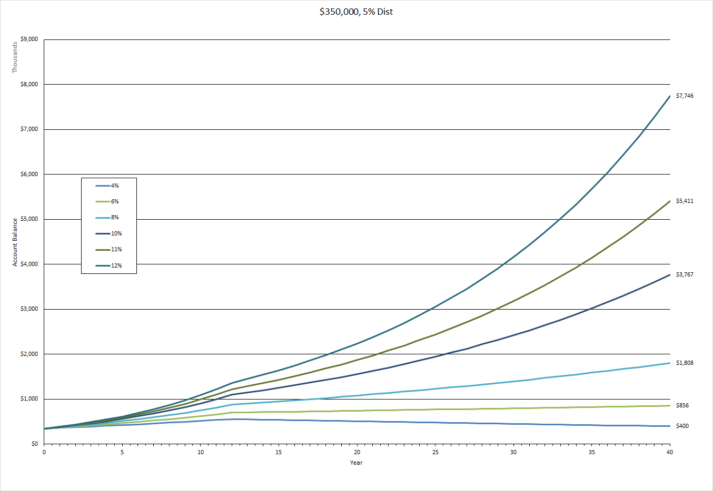

Chart 350K - 10% Dist
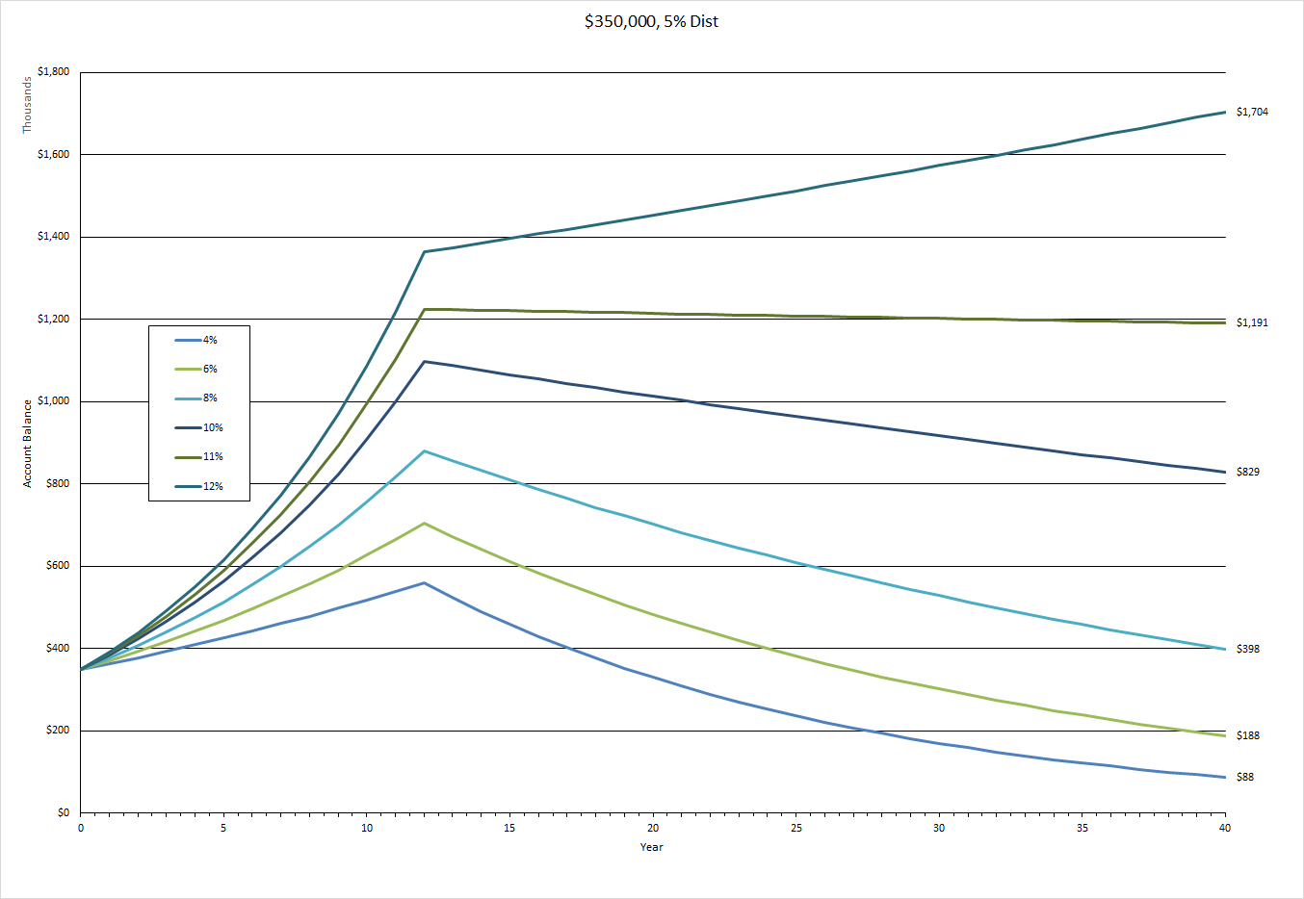

Chart 450K
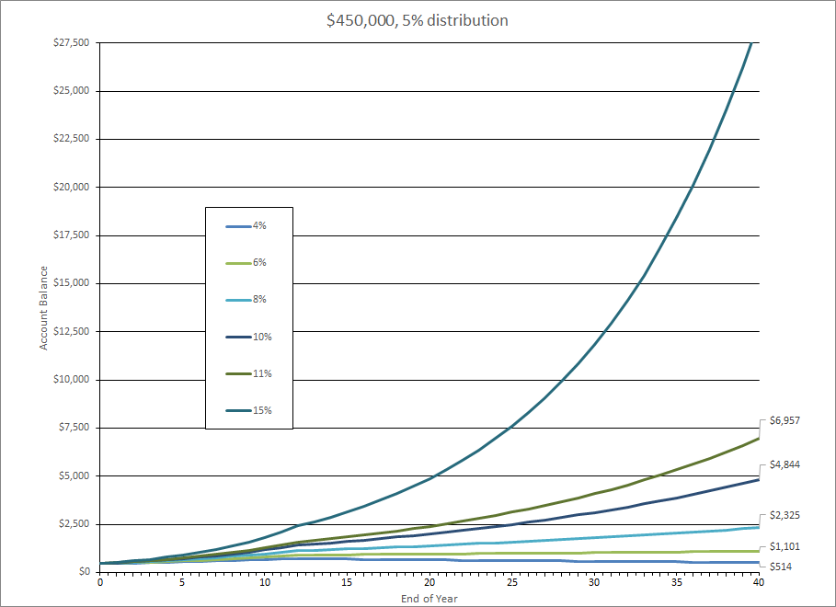

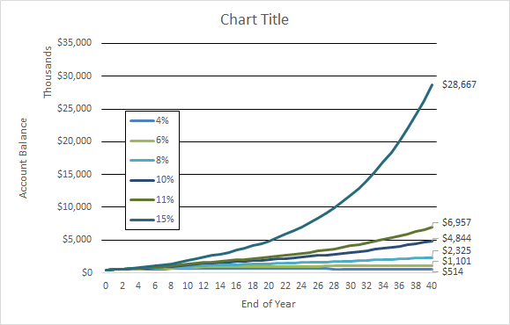

Chart 500K
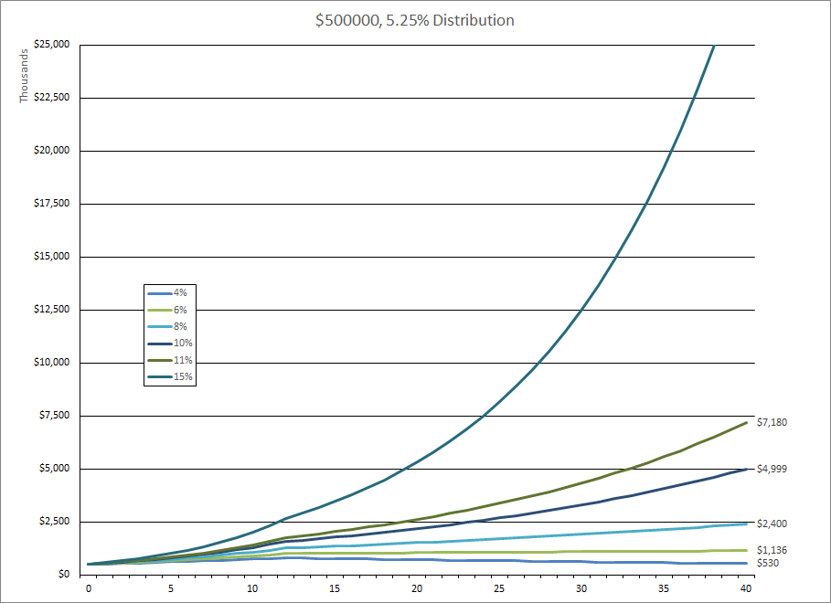

Hypothetical Illustration
 | 4% | 6% | 8% | 10% | 11% | 15%
0 | $500,000 | $500,000 | $500,000 | $500,000 | $500,000 | $500,000
1 | $520,000 | $530,000 | $540,000 | $550,000 | $555,000 | $575,000
2 | $540,800 | $561,800 | $583,200 | $605,000 | $616,050 | $661,250
3 | $562,432 | $595,508 | $629,856 | $665,500 | $683,816 | $760,437
4 | $584,929 | $631,238 | $680,244 | $732,050 | $759,035 | $874,503
5 | $608,326 | $669,113 | $734,664 | $805,255 | $842,529 | $1,005,679
6 | $632,660 | $709,260 | $793,437 | $885,781 | $935,207 | $1,156,530
7 | $657,966 | $751,815 | $856,912 | $974,359 | $1,038,080 | $1,330,010
8 | $684,285 | $796,924 | $925,465 | $1,071,794 | $1,152,269 | $1,529,511
9 | $711,656 | $844,739 | $999,502 | $1,178,974 | $1,279,018 | $1,758,938
10 | $740,122 | $895,424 | $1,079,462 | $1,296,871 | $1,419,710 | $2,022,779
11 | $769,727 | $949,149 | $1,165,819 | $1,426,558 | $1,575,879 | $2,326,196
12 | $800,516 | $1,006,098 | $1,259,085 | $1,569,214 | $1,749,225 | $2,675,125
13 | $788,829 | $1,010,475 | $1,288,422 | $1,635,513 | $1,839,704 | $2,914,883
14 | $777,312 | $1,014,870 | $1,318,442 | $1,704,614 | $1,934,863 | $3,176,130
15 | $765,963 | $1,019,285 | $1,349,162 | $1,776,634 | $2,034,943 | $3,460,790
16 | $754,780 | $1,023,719 | $1,380,597 | $1,851,697 | $2,140,201 | $3,770,963
17 | $743,760 | $1,028,172 | $1,412,765 | $1,929,931 | $2,250,903 | $4,108,936
18 | $732,901 | $1,032,645 | $1,445,682 | $2,011,470 | $2,367,331 | $4,477,199
19 | $722,201 | $1,037,137 | $1,479,367 | $2,096,455 | $2,489,781 | $4,878,468
20 | $711,657 | $1,041,648 | $1,513,836 | $2,185,030 | $2,618,565 | $5,315,701
21 | $701,267 | $1,046,179 | $1,549,109 | $2,277,348 | $2,754,010 | $5,792,121
22 | $691,028 | $1,050,730 | $1,585,203 | $2,373,566 | $2,896,461 | $6,311,240
23 | $680,939 | $1,055,301 | $1,622,138 | $2,473,849 | $3,046,281 | $6,876,885
24 | $670,997 | $1,059,891 | $1,659,934 | $2,578,369 | $3,203,850 | $7,493,225
25 | $661,201 | $1,064,502 | $1,698,610 | $2,687,305 | $3,369,569 | $8,164,806
26 | $651,547 | $1,069,133 | $1,738,188 | $2,800,844 | $3,543,860 | $8,896,576
27 | $642,035 | $1,073,783 | $1,778,688 | $2,919,179 | $3,727,166 | $9,693,932
28 | $632,661 | $1,078,454 | $1,820,131 | $3,042,515 | $3,919,953 | $10,562,751
29 | $623,424 | $1,083,146 | $1,862,540 | $3,171,061 | $4,122,713 | $11,509,437
30 | $614,322 | $1,087,857 | $1,905,937 | $3,305,038 | $4,335,960 | $12,540,971
31 | $605,353 | $1,092,589 | $1,950,346 | $3,444,676 | $4,560,238 | $13,664,955
32 | $596,515 | $1,097,342 | $1,995,789 | $3,590,214 | $4,796,116 | $14,889,677
33 | $587,806 | $1,102,116 | $2,042,291 | $3,741,900 | $5,044,195 | $16,224,164
34 | $579,224 | $1,106,910 | $2,089,876 | $3,899,996 | $5,305,106 | $17,678,255
35 | $570,767 | $1,111,725 | $2,138,570 | $4,064,770 | $5,579,513 | $19,262,668
36 | $562,434 | $1,116,561 | $2,188,399 | $4,236,507 | $5,868,113 | $20,989,085
37 | $554,222 | $1,121,418 | $2,239,388 | $4,415,499 | $6,171,641 | $22,870,232
38 | $546,131 | $1,126,296 | $2,291,566 | $4,602,054 | $6,490,870 | $24,919,976
39 | $538,157 | $1,131,195 | $2,344,960 | $4,796,491 | $6,826,610 | $27,153,429
40 | $530,300 | $1,136,116 | $2,399,597 | $4,999,143 | $7,179,716 | $29,587,055

Chart 500K - 10% Dist
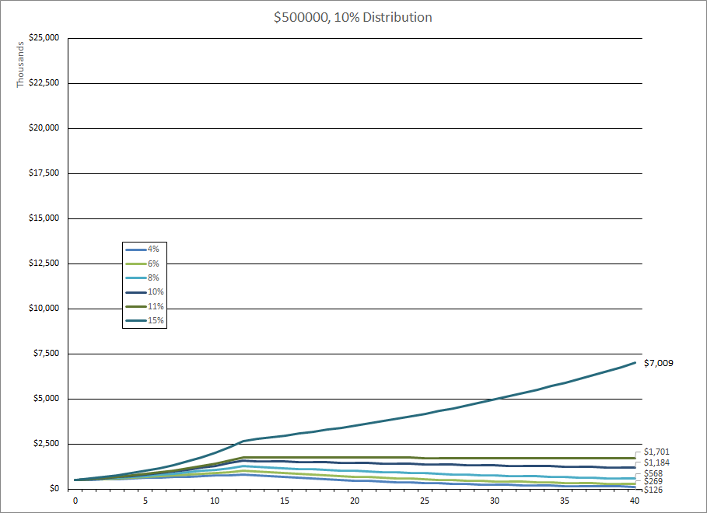

Chart 1,000,000
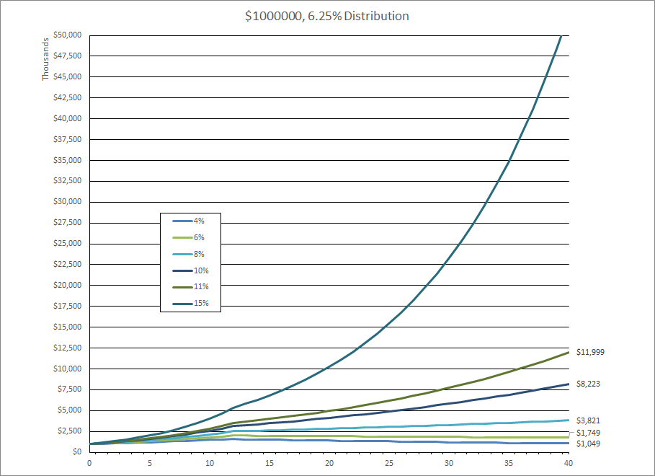

Chart 1000K - 10% Dist
